read the display
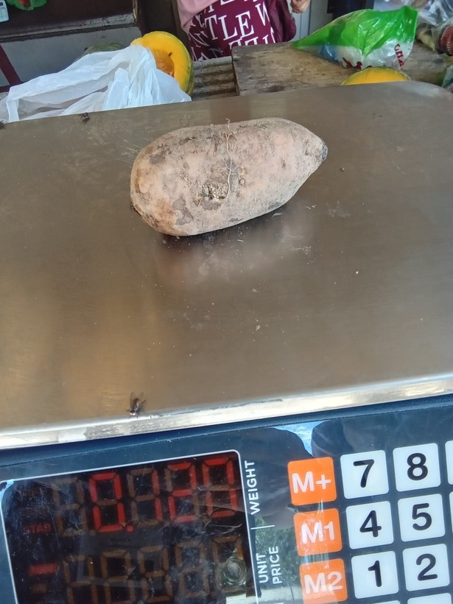
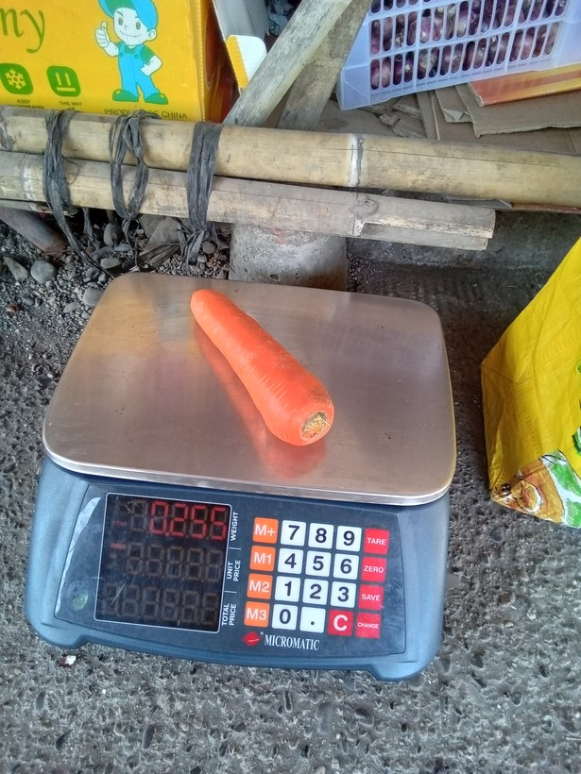
row | image_code | photograph | display_text | legible | scale_present | notes
1 | 1773890518371 |  | 0.120 | Y | yes
2 | 1776749502966 |  | 0.255 | Y | yes
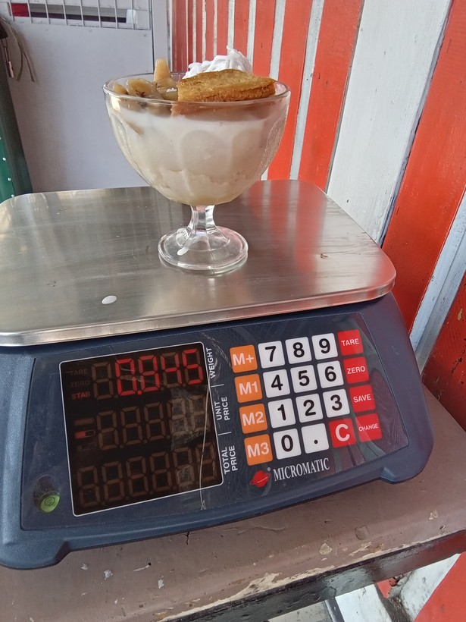
3 | 1773975938588 |  | 0.845 | Y | yes | (weighed with container - maybe also tared?)
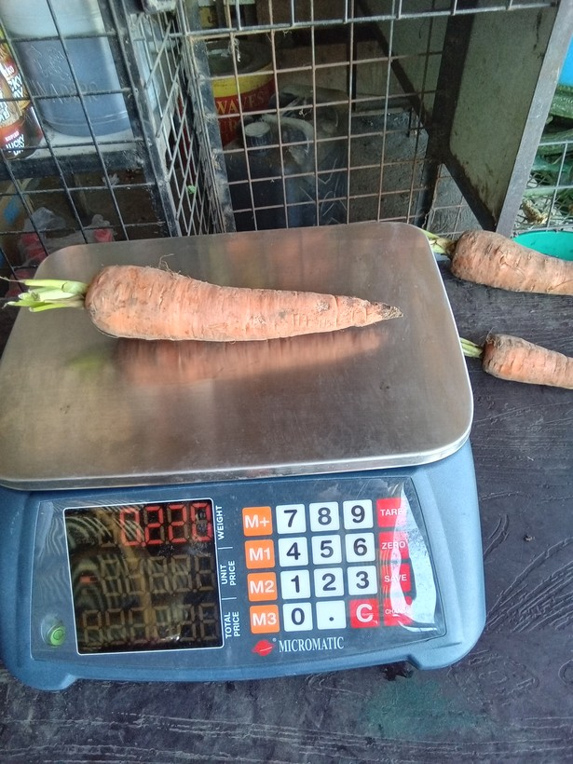
4 | 1774318876014 |  | 0.220 | Y | yes
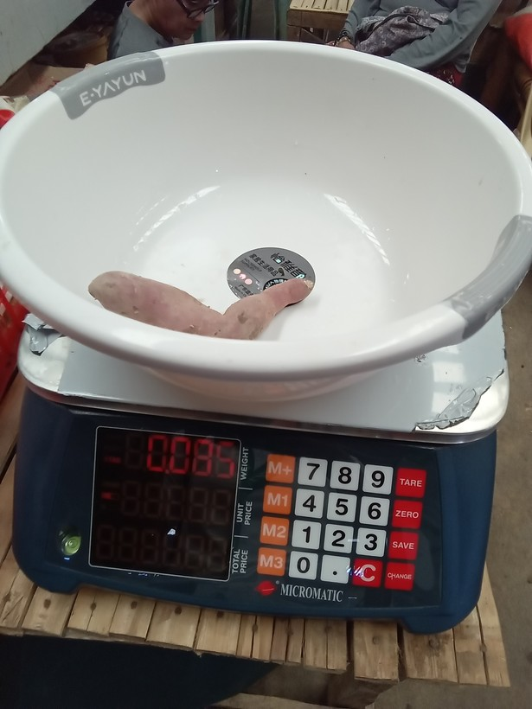
5 | 1773722622896 |  | 0.085 | Y | yes | presumably tared
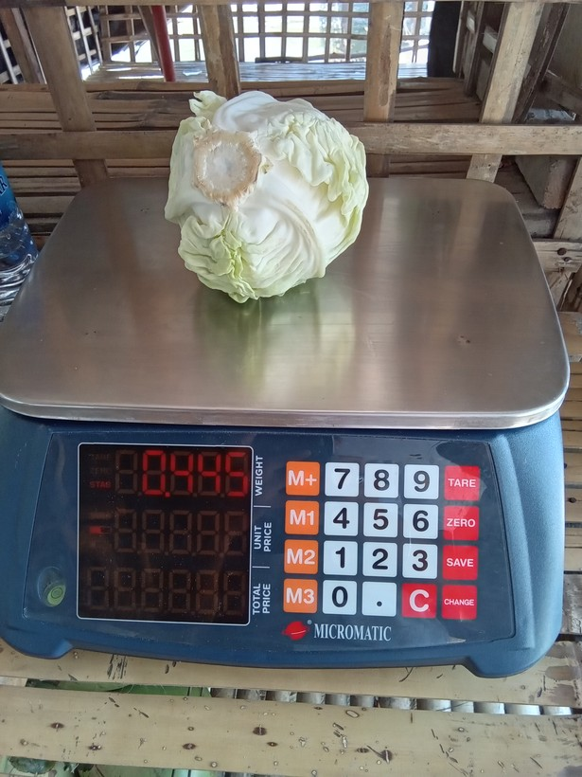
6 | 1775881831214 |  | 0.445 | Y | yes
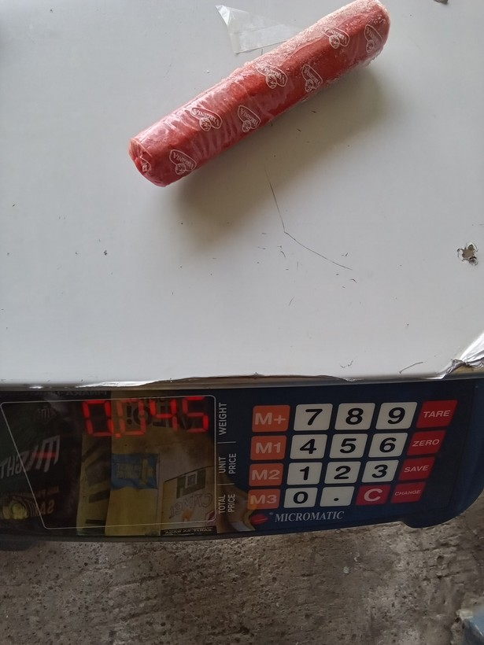
7 | 1777343511311 |  | 0.045 | Y | yes
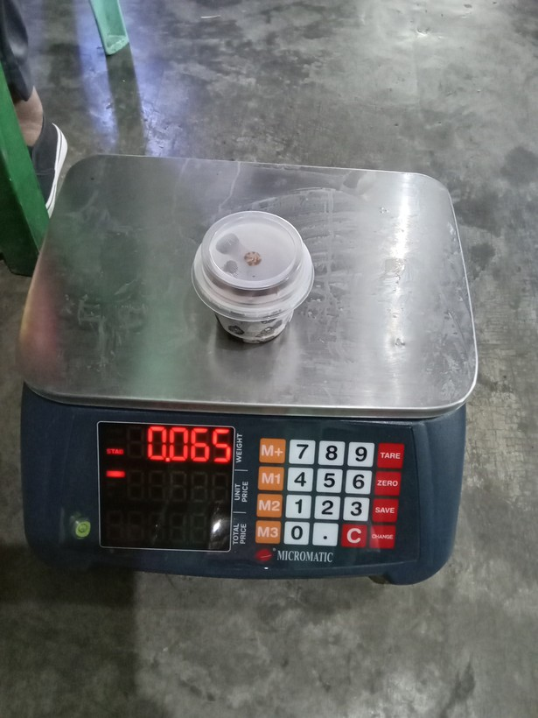
8 | 1773893158345 |  | 0.065 | Y | yes
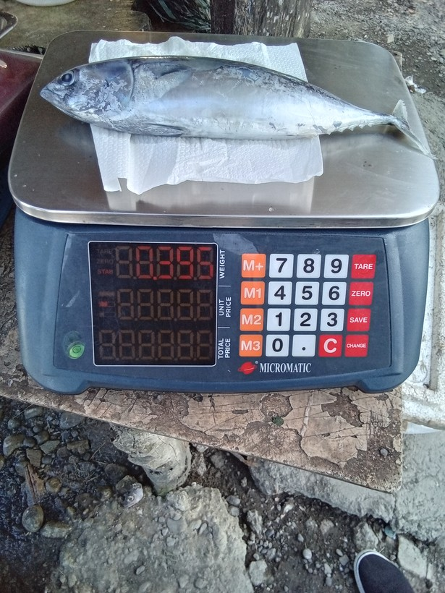
9 | 1777448700919 |  | 0.395 | Y | yes
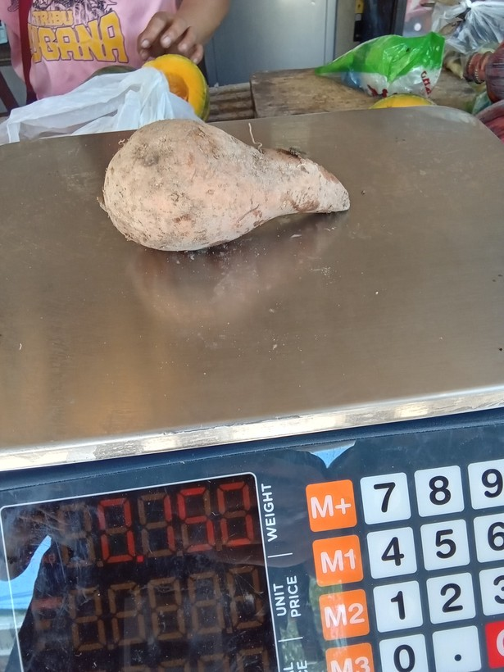
10 | 1773890538111 |  | 0.150 | Y | yes
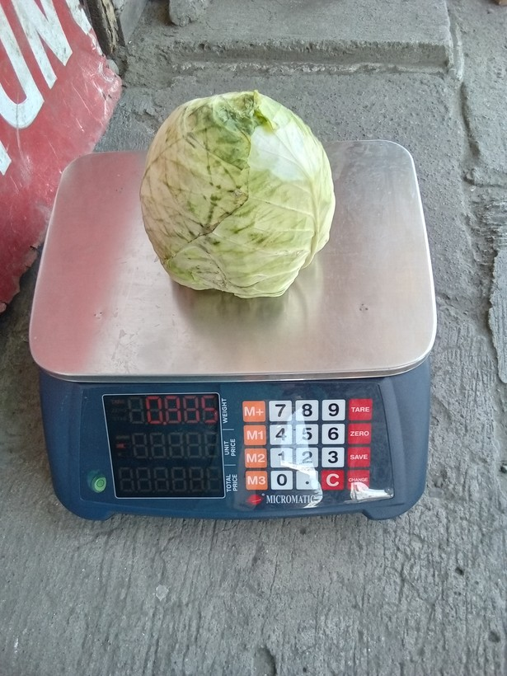
11 | 1774320998883 |  | 0.705 | Y | yes | very unsure, bad glare
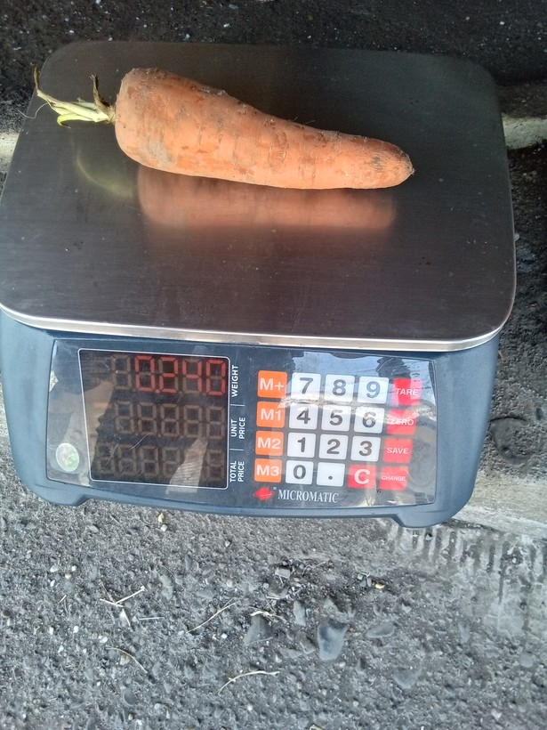
12 | 1776749986707 |  | 0.240 | Y | yes
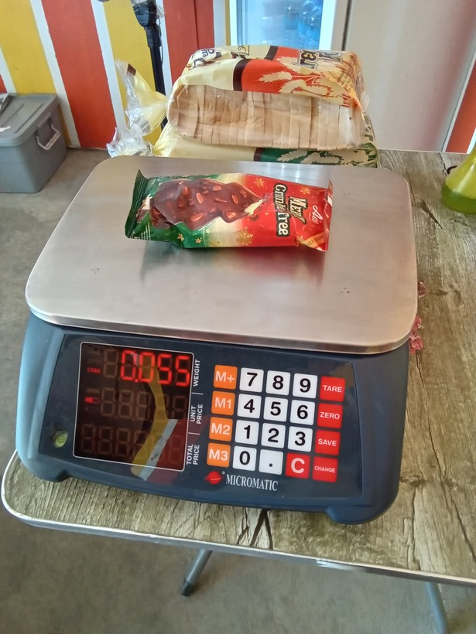
13 | 1773992412689 |  | 0.055 | Y | yes
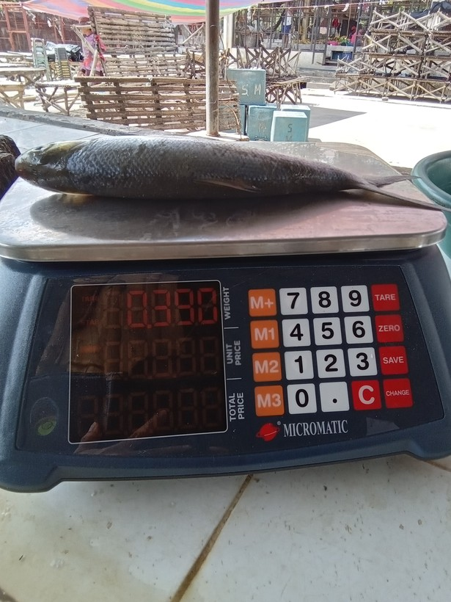
14 | 1773885855980 |  | 0.390 | Y | yes
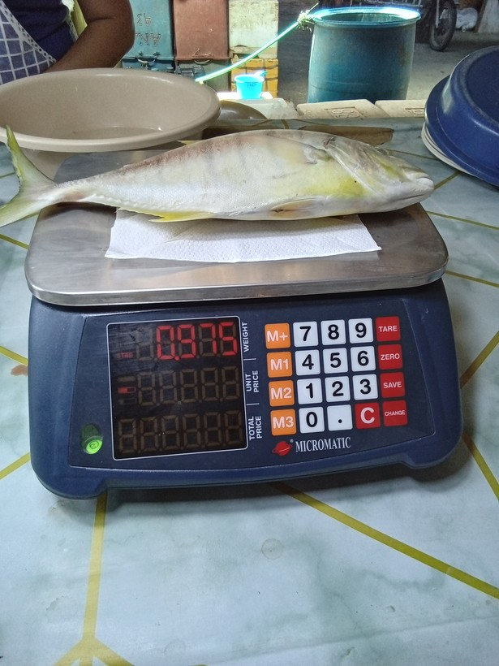
15 | 1775703284677 |  | 0.975 | Y | yes
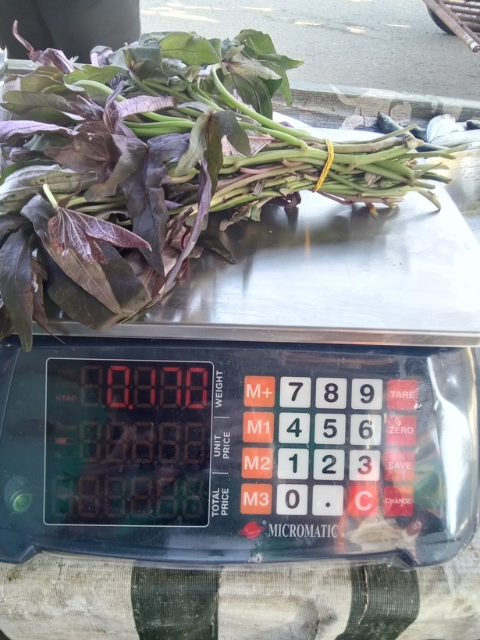
16 | 1773909424751 |  | 0.170 | Y | yes
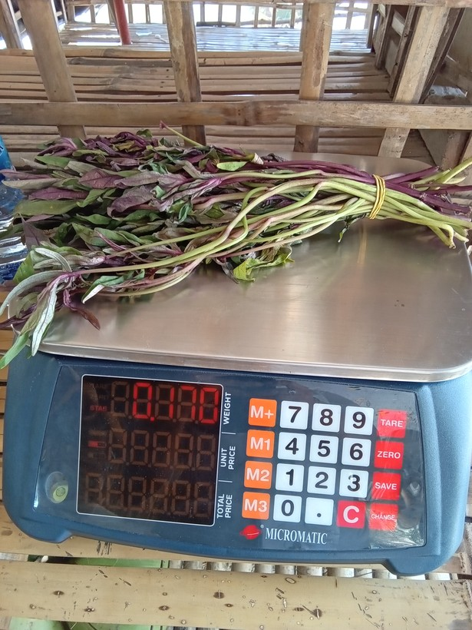
17 | 1775881966545 |  | 0.170 | Y | yes
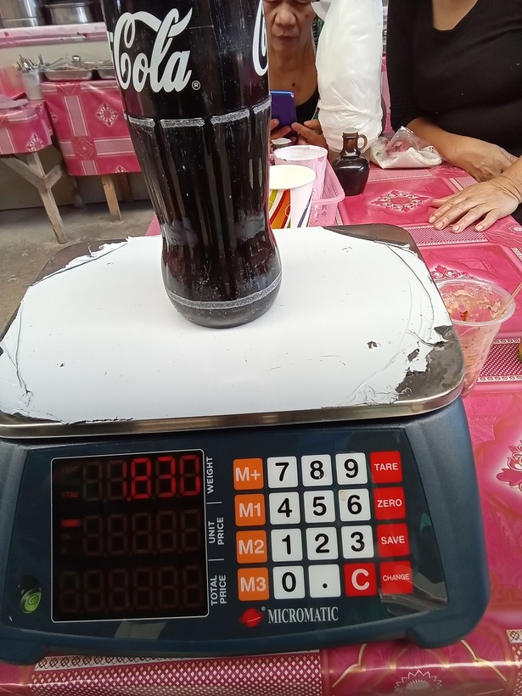
18 | 1773730902464 |  | 1.830 | Y | yes | Weighed with container (presumably not tared)
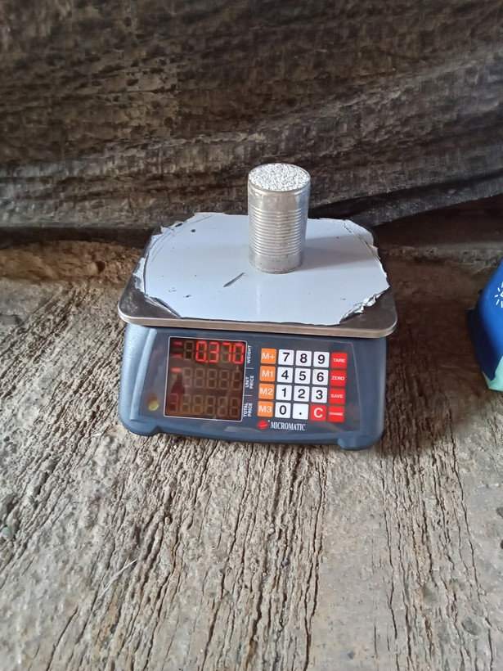
19 | 1775867539235 |  | 0.370 | Y | yes | Weighed with container (presumably not tared)
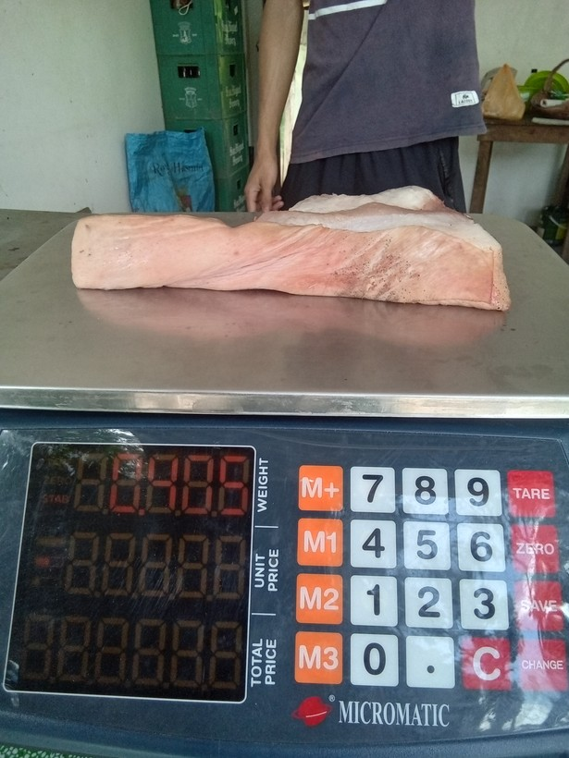
20 | 1774581902994 |  | 0.405 | Y | yes
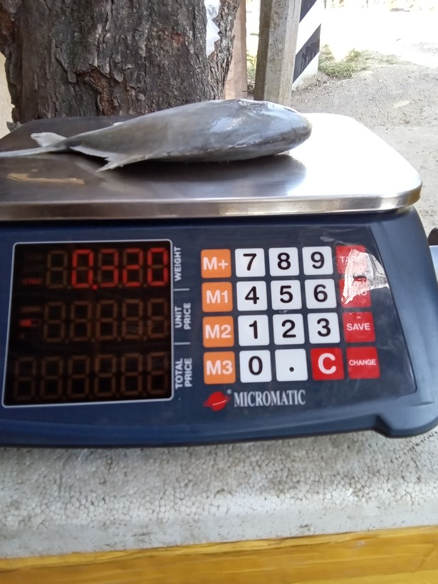
21 | 1773969852875 |  | 0.320 | Y | yes
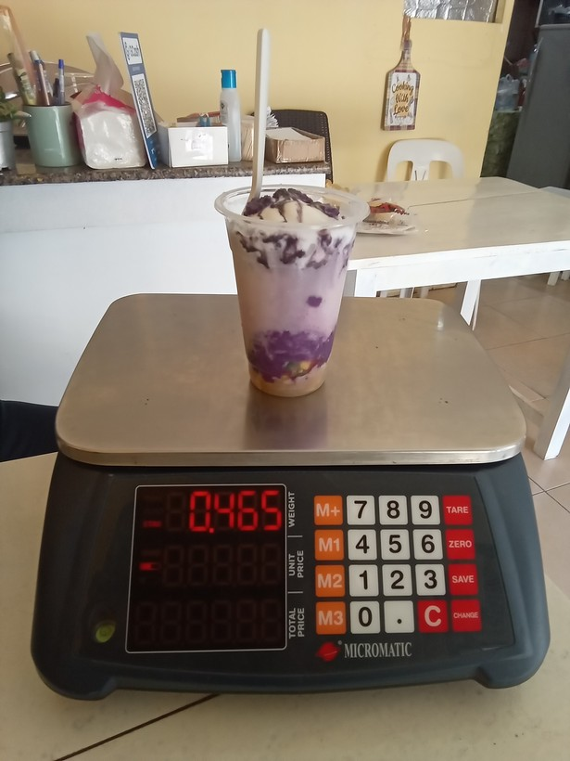
22 | 1779256979804 |  | 0.465 | Y | yes
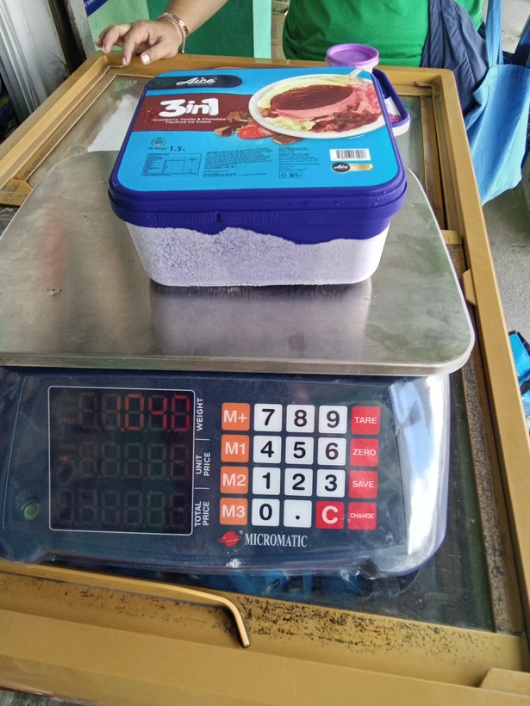
23 | 1773797771519 |  | 1.5L | Y | yes | both mL reading (from container) and kg reading (from scale) are visible; use mL reading
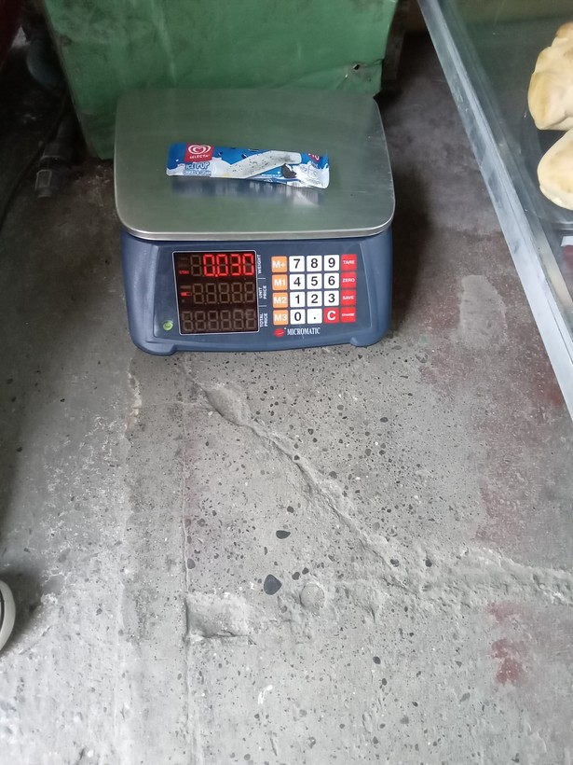
24 | 1773986875251 |  | 0.030 | Y | yes
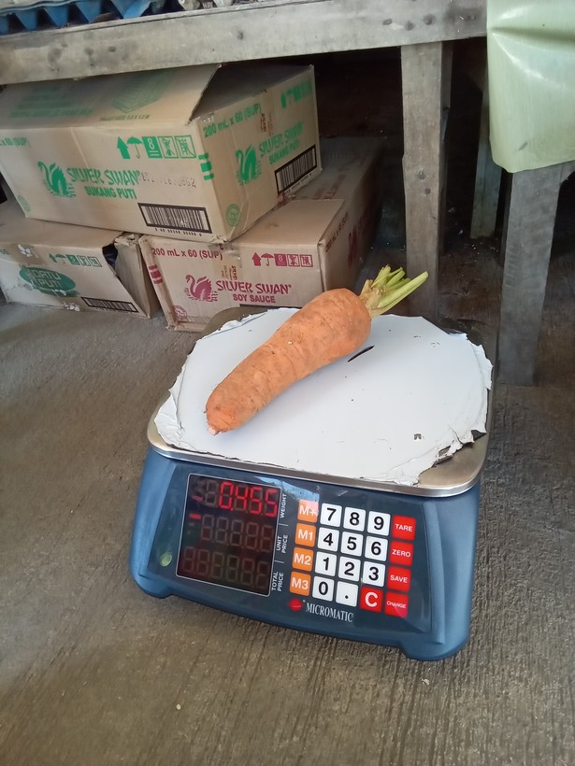
25 | 1775704731507 |  | 0.455 | Y | yes
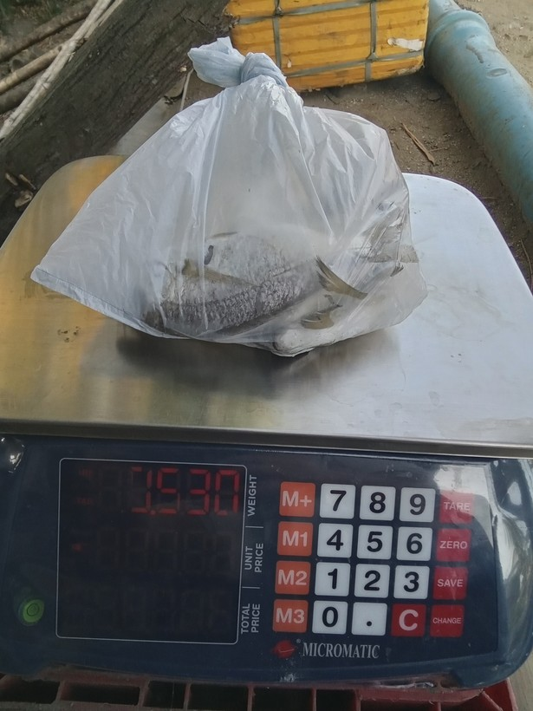
26 | 1773910264761 |  | 0.530 | Y | yes
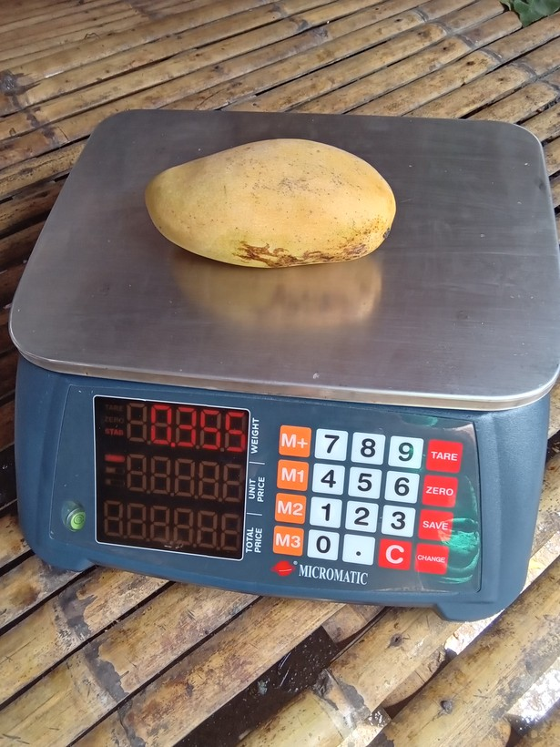
27 | 1777687199972 |  | 0.355 | Y | yes
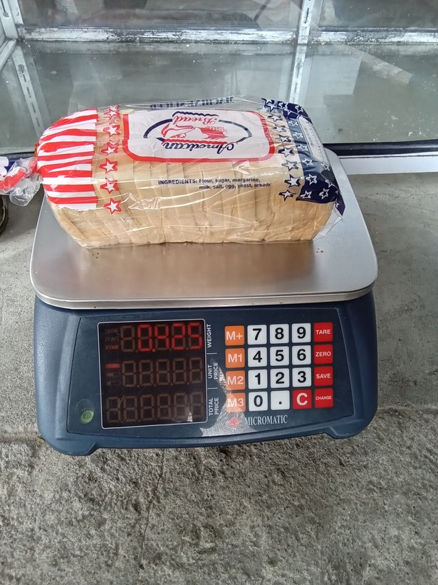
28 | 1778724253291 |  | 0.425 | Y | yes
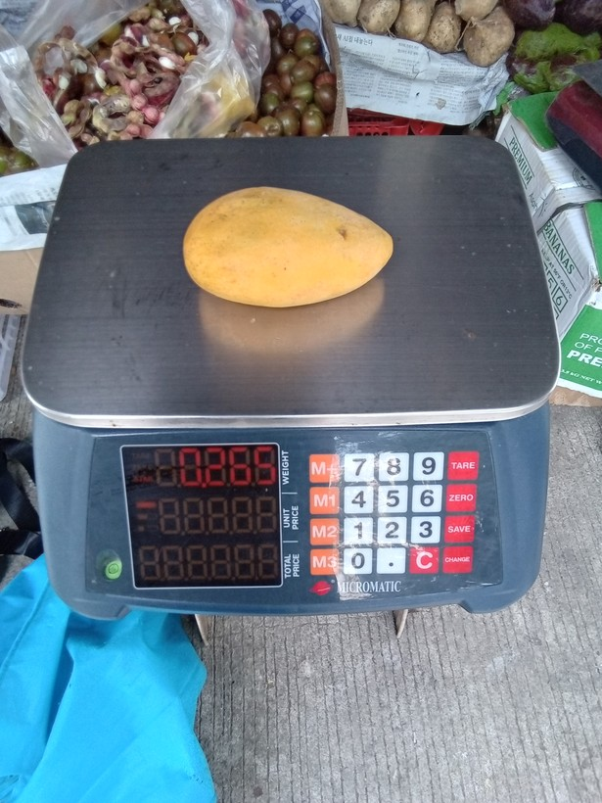
29 | 1778719778040 |  | 0.265 | Y | yes
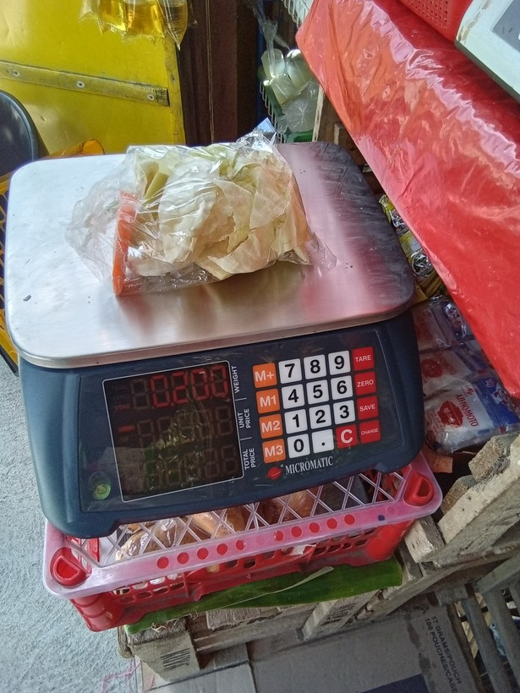
30 | 1778895306551 |  | 0.200 | Y | yes
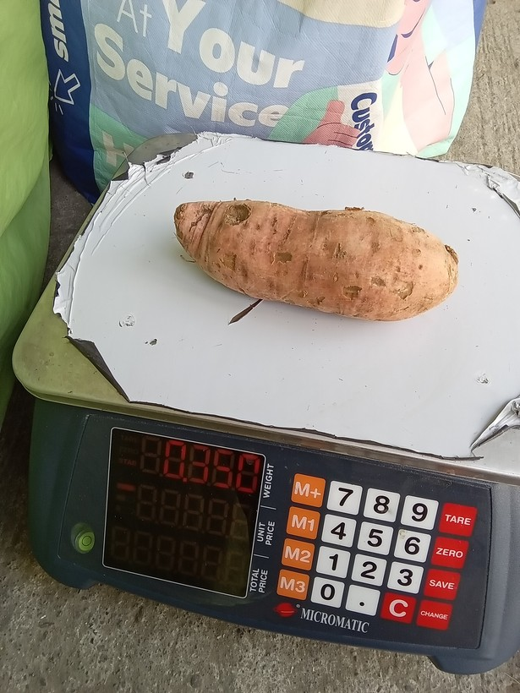
31 | 1776041702218 |  | 0.350 | Y | yes
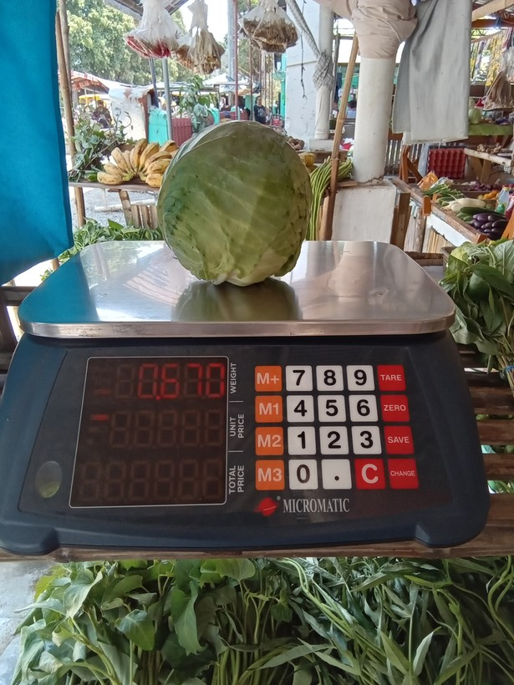
32 | 1776825532809 |  | 0.670 | Y | yes
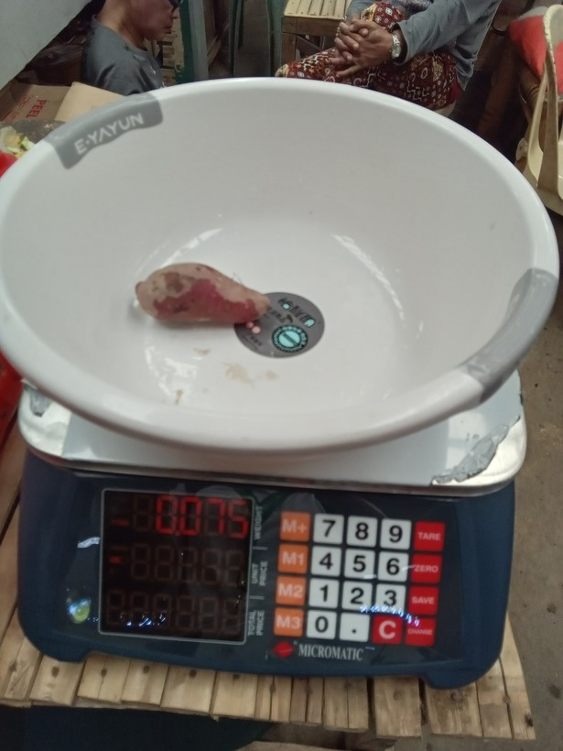
33 | 1773722601564 |  | 0.075 | Y | yes
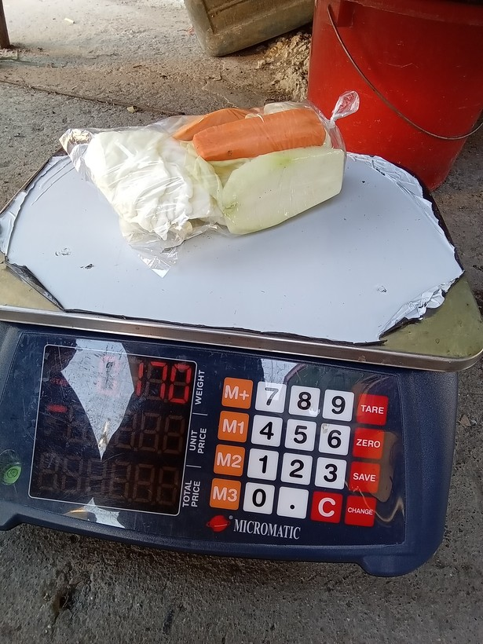
34 | 1775867745173 |  | 0.170 | Y | yes
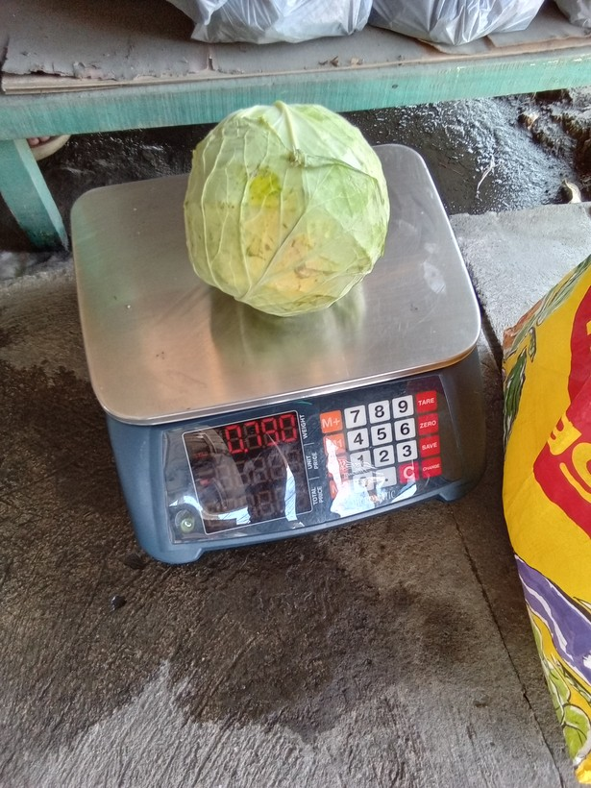
35 | 1774062582225 |  | 0.790 | Y | yes
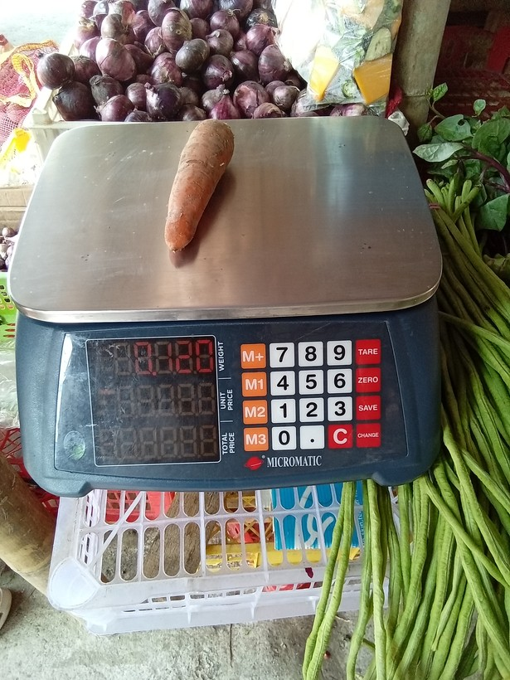
36 | 1776665156649 |  | 0.120 | Y | yes
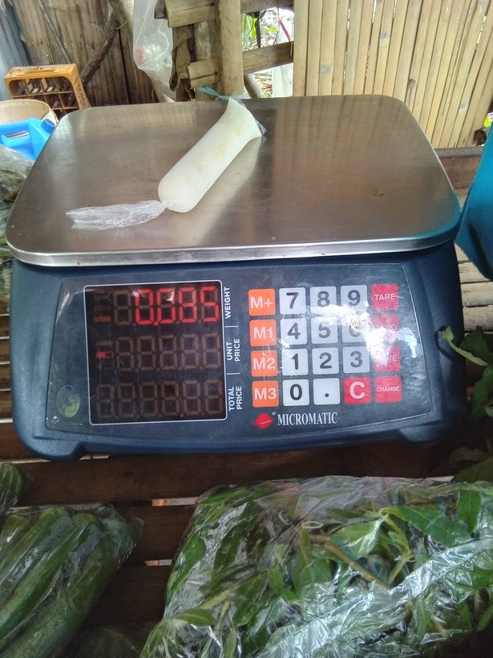
37 | 1778028947163 |  | 0.085 | Y | yes

